Descargas de la APP
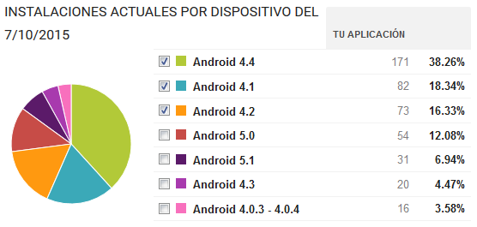

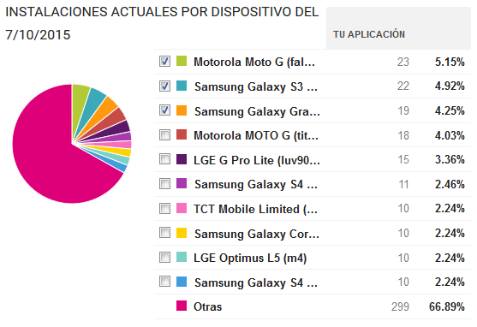

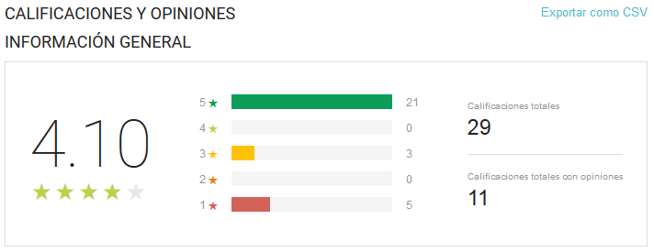

Usuarios
 | Total
Hombre | 14
Mujer | 4
Hombre | 22
Mujer | 8
Hombre | 13
Mujer | 1
Hombre | 15
Mujer | 2
Hombre | 7
Mujer | 3
Etiquetas de fila | Suma de Usuarios | 2015-10-09 | 9 | 10
< 18
Hombre | 14
Mujer | 4
18-25
Hombre | 22
Mujer | 8
31-40
Hombre | 13
Mujer | 1
26-30
Hombre | 15
Mujer | 2
> 40
Hombre | 7
Mujer | 3
Total general | 89

Total de conexiones
Row Labels | Cuenta de Usuario
04 | 252
05 | 42
06 | 124
07 | 227
08 | 278
09 | 202
10 | 277
11 | 113
12 | 105
13 | 194
14 | 128
15 | 129
16 | 124
17 | 156
18 | 170
19 | 180
20 | 209
21 | 168
22 | 207
23 | 258
Grand Total | 3543

Paginas mas visitadas
Interes | Visitas
urlauth.ksmobile.net | 683
infoc2.duba.net | 408
profile.adkmob.com | 344
ssdk.adkmob.com | 334
locker.data.ksmobile.net | 314
i.instagram.com | 203
ping.wimapwifi.com | 156
www.google.com | 66
helpwhitetile1.ksmobile.com | 65
cmdts.ksmobile.com | 54

